MET
METALLURGICAL EXAMINATION RESULTS

 | Customer: |  | AEN SAUDI |  |  |  | Machine Type: |  |  | MS7001
 | Customer Ref. No.: |  | 8501439452 |  |  |  | Quantity p. Set: |  |  | 92
 | AEG. Ref. No: |  | B802789RE010 |  |  |  | EOH: |  |  | 32,000
 | AEG. Job. No: |  | 6943 |  |  |  | Remarks: |  |  | Pre, Post, After Stress Relief & Post Ageing HT

 | Sample nr. | Description |  |  | S/N or part nr. |  | Sample location |  | Material |  | Result
 | MS 6536C MS 6662C MS 6912C MS 6932C | 1st Stage Bucket |  |  | C1ZP 092923 C1ZP 093046 C1ZP 092942 C1ZP 093046 |  | Leading Edge |  | GTD 111 |  | See comment

 | Hardness Results: | Pre-Solutioning |  |  | 41.4 HRC |  | Received Coating Type |  |  |  | Outgoing Coating Type
 |  | Post-Solutioning |  |  | 37.3 HRC |  | MCrAIY |  |  |  | MCrAIY

 | Alloy (Nominal), wt.% | 92942 |  | Ni | Cr | Co | Mo | W | Al | Ti | Ta | C | B
 |  | GTD-111 |  | 60 | 14 | 9.5 | 1.5 | 3.8 | 3 | 4.9 | 2.8 | 0.1 | 0.01

 | Alloy (Actual), wt.% | Alloy |  | Ni | Cr | Co | Mo | W | Al | Ti | Ta | Fe | Cu
 |  | GTD-111 |  | 59.96 | 13.81 | 9.51 | 1.42 | 4.83 | 2.61 | 4.25 | 2.79 | 0.08 | 0.07

 | Comment:

 | The set of buckets was received with an MCrAlY coating. The material exhibits blocky mono carbides and gamma–gamma prime eutectic islands in the receiving condition (Pic. 1). A solution HT was carried out to anneal the material and enhance its weldability (Pic. 2). After the repair work was completed, a stress-relief was performed (Pic. 3). Finally, ageing heat treatment was conducted to restore the microstructure, as shown in the micrograph (Pic. 4). For Pic.4, Samples were taken from the welded area of upper side of leading edge.

 | 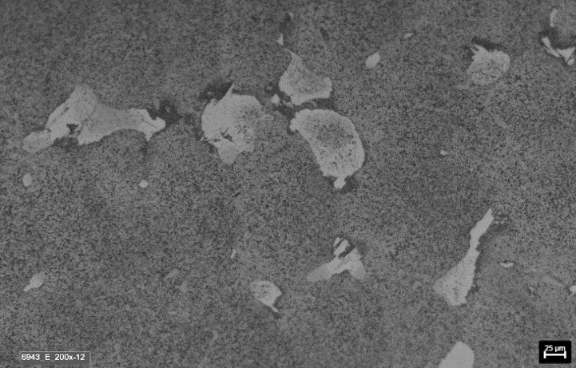 |  |  |  |  |  | 

 | Picture 1: | Micrograph- Middle Wall Etched 200x (Pre-Solution) |  |  |  |  | Picture 2: |  | Micrograph- Middle Wall Etched 500x (Post-Solution HT)

 | 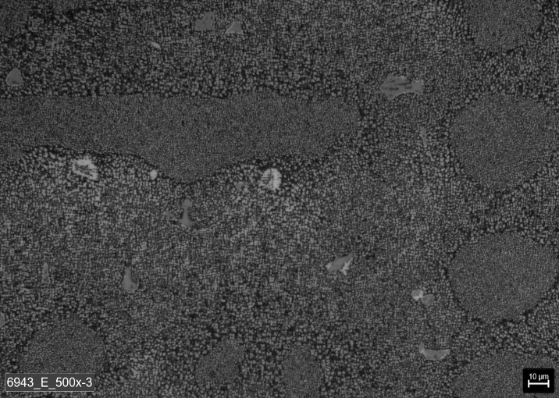 |  |  |  |  |  | 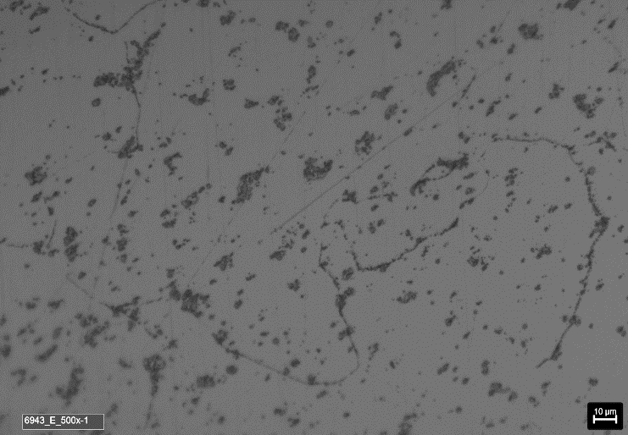

 | Picture 3: | Micrograph- Middle Wall Etched 500x (After Stress Relief) |  |  |  |  | Picture 4: |  | Micrograph- Middle Wall Etched 500x (Post-Aging HT)

Remarks: |  | Met. Lab: |  | Tejo Thomas |  |  | Mat.Eng: |  | K.Badri / A. Eslam |  |  | Date: | 2025-11-12

